1. Title Page
Instacart Data Analysis

Project Name:
Date: 26/02/2025
Analyst Name: Mauro Filippi Farmar

Contents:
Population Flow
Consistency checks
Wrangling steps
Column derivations
Visualizations
Recommendations

Data Source
“The Instacart Online Grocery Shopping Dataset 2017”, Accessed from www.instacart.com/datasets/grocery-shopping-2017 via Kaggle on 9/4/2024.
The customer data you explored, as well as the “prices” column in the products data set, were both fabricated for the purpose of this course

2. Population Flow
Title page

Population flow

Exclusion flag
Condition: max_order < 5
Obervations to be removed: 1,444,295
Final total count of order_products_all: 30,964,564

Ords_prods_merge
Orrds_prods_merged _V3
Ords_prods_custmoers_merged

Total: 32,404,858
Total: 32,434,488
Total: 32,404,858

1.) The grey boxes in the first row of the population flow represent the original data sets as they were when you downloaded them. In the Total fields you need to add the count of the rows when you imported the data set into Jupyter.
2.) The second row of boxes (coloured) represents the data sets after you manipulated them, e.g., removed missing values and duplicates. In the Total fields you need to add the count of the rows after conducting these operations. This offers a visual oveview of how the data flows throughout the data consistency checks.
3.) The third row, where also the arrows are coloured, represents the merges you performed between the datasets. In the Total fields you need to add the count of the rows in the merged datasets, so that you end up with the final dataset (in the red box). Keep in mind the final dataset should be without exclusions (based on the exclusion flag).

3. Consistency checks
 |  |  |  | Title page
Consistency checks

Dataset | Missing values | Missing values treatment | Duplicates
orders | 206,209 in the 'days_since_last_order' column | Kept the result and created a column to flag it as first order | none
products | 16 in the 'product_name' | Deleted the rows with missing data | 5, deleted
orders_products_prior | none | none | none
customers | none | none | none
ords_prods_merge_V3 | price over 100$ marked as missing | changed to NaN | none

4. Wrangling steps
 |  |  |  | Title page
Wrangling steps

Columns dropped | Columns renamed | Columns' type changed | Comment/Reason
eval_set' in 'df_ords' |  |  | This column contains system information that acts as a label for the entire data set. It has one value—prior—which indicates that this was the prior data set released by Instacart. This makes it a bit irrelevant for your purposes
 | order_dow' changed in 'orders_day_of_week' |  | For readibility reasons 'orders_day_of_week' is more clear.
 | days_since_prior_order' changed in 'days_since_last_order' |  | days_since_last_order' is more clear.
 |  | user_id' changed into string | Mathematical operations were not useful, like this we can eliminate the results from the function describe()
 |  | order_id' changed into string | Mathematical operations were not useful, like this we can eliminate the results from the function describe()
 |  | order_number' changed into string | Mathematical operations were not useful, like this we can eliminate the results from the function describe()
 | First Name to first_name |  | maintain naming convention
 | Surnam to last_name |  | maintain naming convention
 | Gender to gender |  | maintain naming convention
 | STATE to state |  | maintain naming convention
 | Age to age |  | maintain naming convention
 | fam_status into marital_status |  | Readibility reson
 | n_dependants into number_of_dependants |  | Readibility reson
 | income into annual_income |  | Readibility reson
Unnamed xx |  |  | not needed
_merged |  |  | not needed

5. Column derivations
 |  |  |  | Title page

Column derivations and aggregations

Dataset | New column | Column/s it was derived from | Conditions
orders | first_order | days_since_prior_order' | NaN
ords_prods_merge | price_label | prices | if prices <= 5 then 'low-range product' if prices >5 & <= 15 then 'mid-range product' if prices > 15 then 'high-range product' else 'not enough data'
ords_prods_merge | busiest_day | orders_day_of_week | if value == 0 then 'busiest day' if value == 4 then 'least busy' else 'regularly busy'
ords_prods_merge | busiest_days | orders_day_of_week | if value == 0 or 1 then 'busiest days' if value == 3 or 4 then 'least busy' else 'regularly busy'
ords_prods_merge | busiest_period_of_day | hour_of_day | if value == 10 or 11 then 'most orders' if value == 3 or 4 then 'fewest orders' else 'average orders'
ords_prods_merge | loyalty_flag | max_order | if value > 40 then 'loyal customer' if value <= 40 & > 10 then 'regular customer' if value < 10 then 'new customer'
ords_prods_merge | median_between_orders | prices | average price per customer
ords_prods_merge | spending_flag | median_between_orders | if value > 10 then 'low spender' if value >= 10 then 'high customer'
ords_prods_merge | order_frequency_flag | days_since_last_order | if value < 20 then 'Infrequent customer' if value <= 20 & > 10 then 'regular customer' if value > 10 then 'frequent customer'
orders_products_customers_merged_V1 | region | state | The list was defiend using this wikipedia page
orders_products_customers_merged_V1 | activity_flag | max_order | if value < 5 then 'low-activity customer' if value >= 5 then 'high-activity customer'
orders_products_customers_merged_excluded_V1 | age_group | age | if value <25 then young_adult if value >=25 and <45 then adult if value>=45 and <65 then middle_aged if value >= 65 then senior
orders_products_customers_merged_excluded_V1 | income_group | annual_income | if value <= 55000 then low_income if value >55000 and <=150000 then middle_income if value >150000 then high_income
orders_products_customers_merged_excluded_V1 | time_of_day_flag | order_hour_of_day | if value >=6 and <12 then morining if value >= 12 and <18 then afternoon if value >=18 and <24 then evening if value >= 0 and <6 then night
orders_products_customers_merged_excluded_V1 | dependants_group | number_of_dependants | if value = 0 then no_dependants if value >0 then dependants

first_order | spending_flag | dependants_group
False 30328763 | Low spender 31770614 | dependants 23224883
True 2076096 | High spender 634245 | no_dependants 7739681
Name: count, dtype: int64 | Name: count, dtype: int64 | Name: count, dtype: int64

price_label | order_frequency_flag
Mid-range product 673183 | Frequent customer 21559853
Low-range product 314392 | Regular customer 7208564
High range 12425 | Infrequent customer 3636437
Name: count, dtype: int64 | Name: count, dtype: int64

busiest_day
Regularly busy 22416875 | activity_flag
Busiest day 6204182 | High Activity 30964564
Least busy 3783802 | Low Activity 1440295
Name: count, dtype: int64 | Name: count, dtype: int64

busiest_days | age_group
Regularly busy 12916111 | middle_aged 9690051
Busiest days 11864412 | adult 9663775
Least busy 7624336 | senior 8195544
Name: count, dtype: int64 | young_adult 3415194
 | Name: count, dtype: int64
busiest_period_of_day
Average orders 26802436 | income_group
Most Orders 5497900 | middle_income 22617642
Fewest orders 104523 | low_income 4452388
Name: count, dtype: int64 | high_income 3894534
 | Name: count, dtype: int64
loyalty_flag
Regular customer 15876776 | time_of_day_flag
Loyal customer 10284093 | afternoon 14534966
New customer 6243990 | morning 10431571
Name: count, dtype: int64 | evening 5430696
 | night 567331
 | Name: count, dtype: int64

6. Visualizations
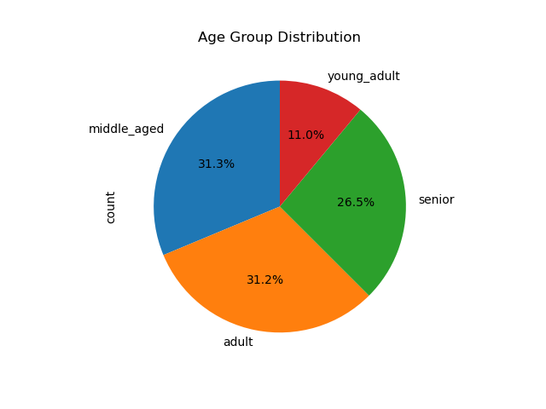
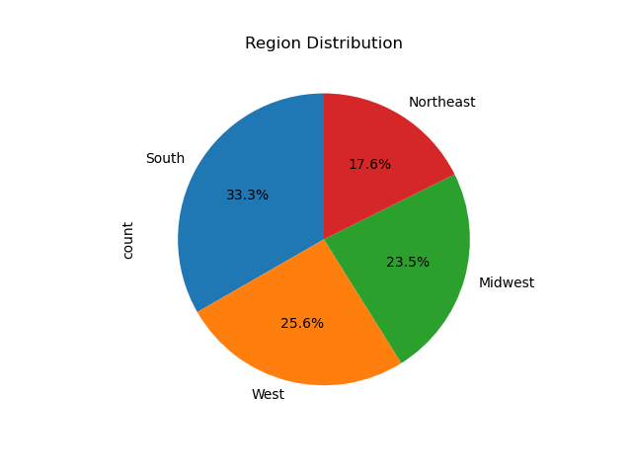
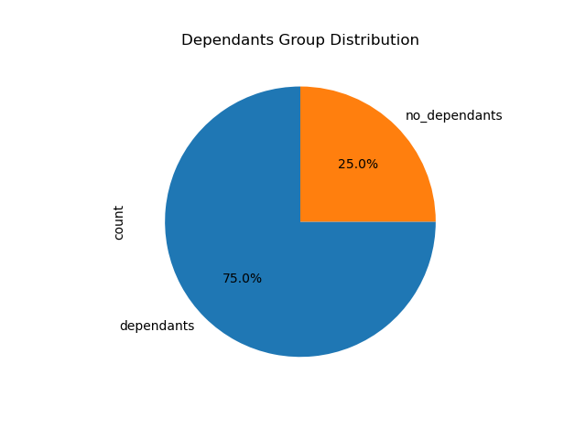

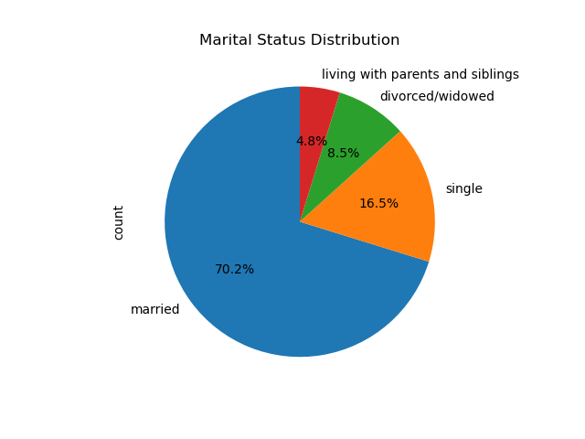
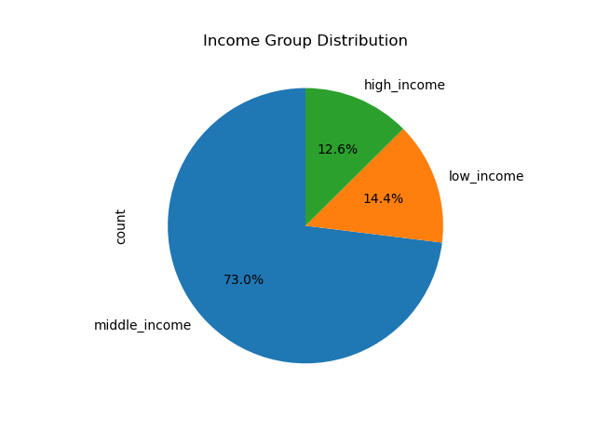
 |  | Title page

Visualisations

Question
From the Sales Team: What are the busiest days of the week and hours of the day?

Answer
Saturday and Sunday are the busiest days of the week while Tuesday and Wednesday are the least busy.
Most order happens between 9 and 18. With the maximum peak between 10 and 11.
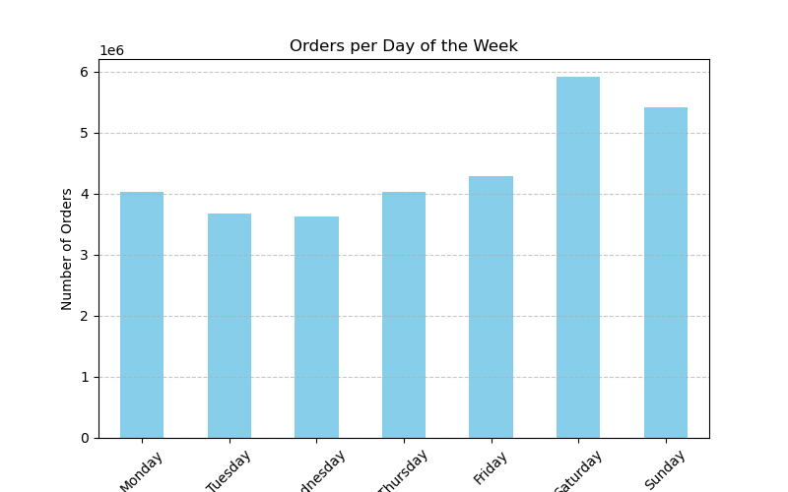

Question
From the Sales Team: Are there particular times of day when people spend the most money?

Answer
Sales are higher in the morning, but the variation is really small.
Sales are higher in the weekends.

 | Spending per hour of the day |  | Spending per day of the week
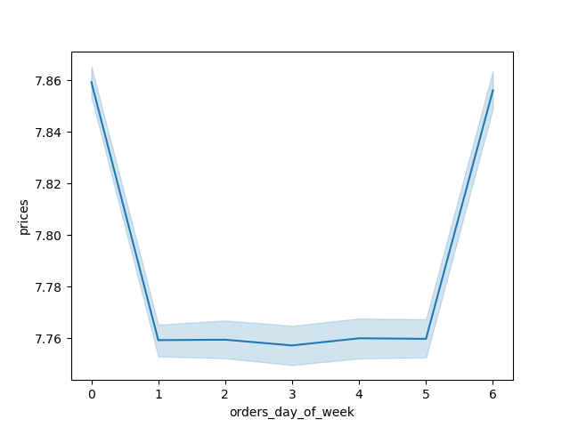


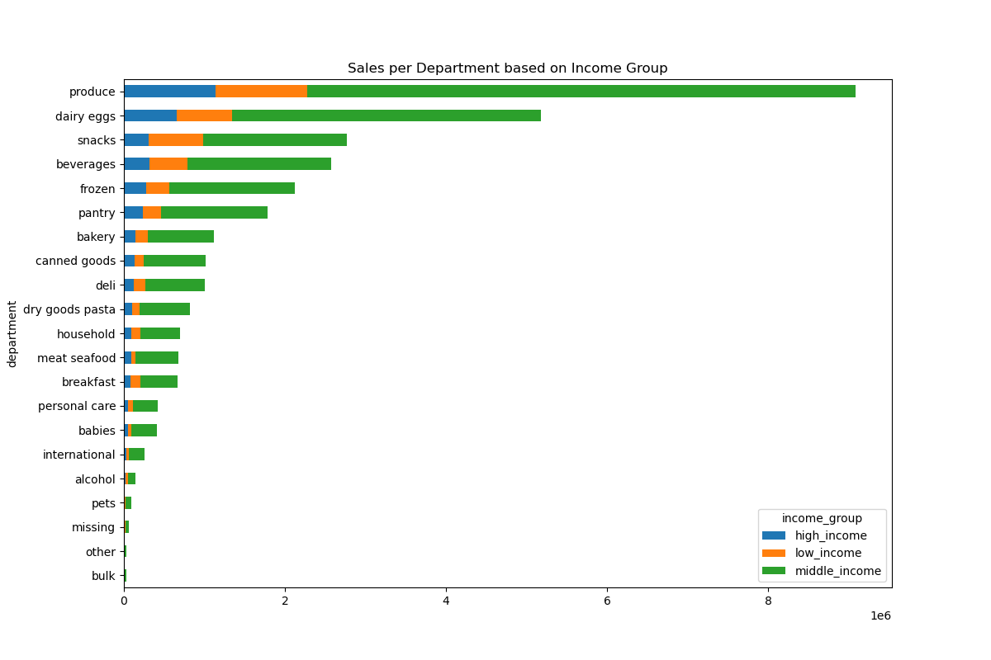
Question
Marketing and Sales Team: Are there certain products that are more popular than others?

Answer
The most ordered items are from Produce, dairy/eggs and snacks department. Followed by beverages and frozen department.
We can see the same trend happening also considering the differences of income and number of dependents groups.

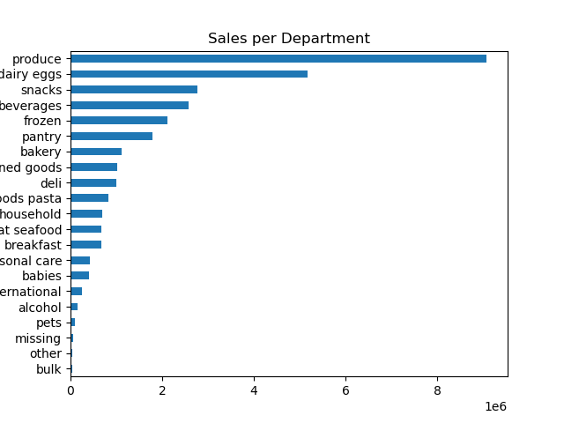

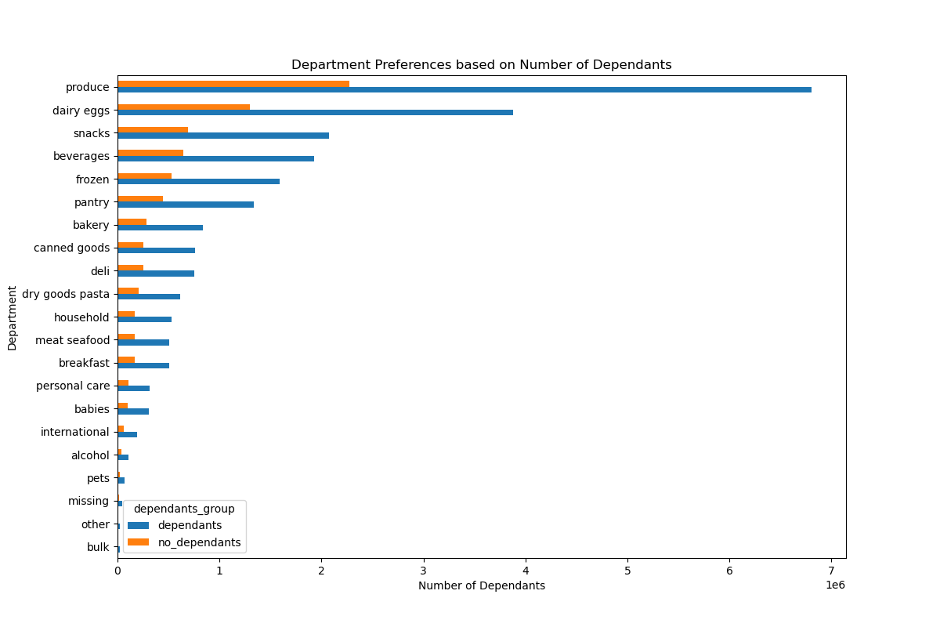

Question
Marketing and Sales Team: What is the distribution among users as to how often they return to Instacart?

Answer
There are not differences in loyalty based on gender.
Adult and middle aged people are the more loyal (differences in categorizing the group could lead to small variations).
Low spender are definetly more loyal compared to high spenders.
Middle-income people is clearly the most loyal.
The south region is the more loyal of the 4.

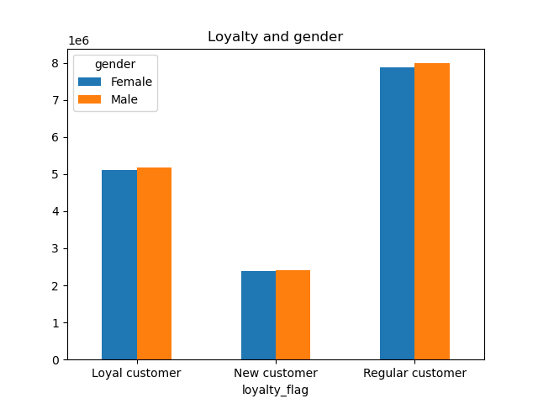
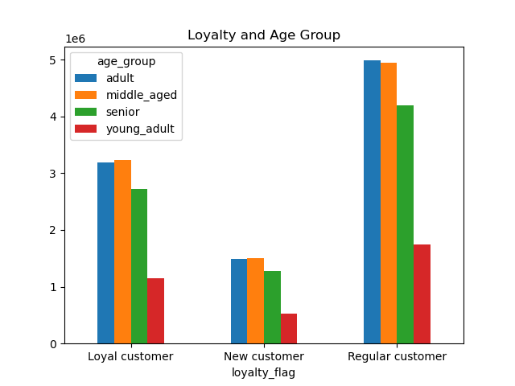
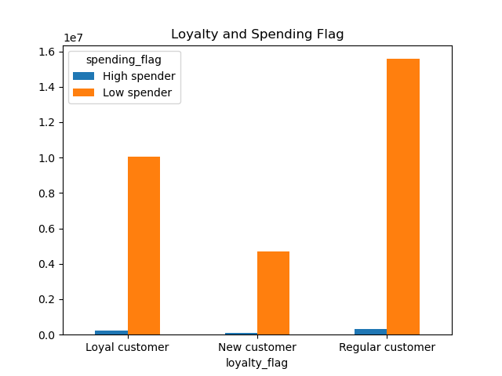

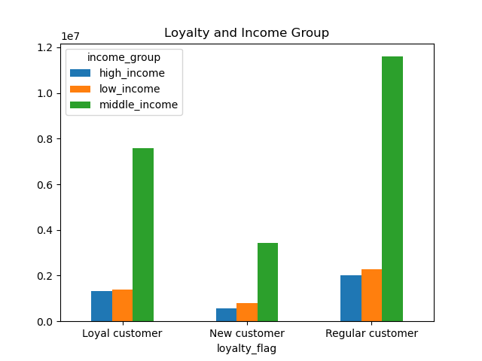
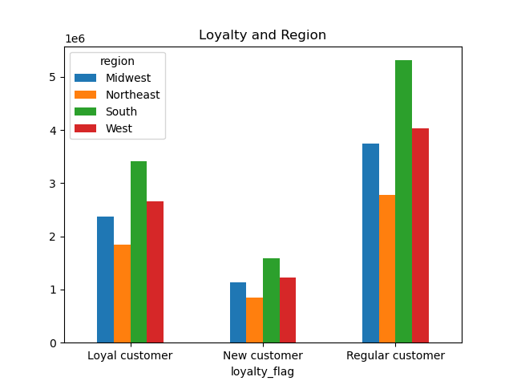

Question
Marketing and Sales Team: Are there differences in ordering habits based on region?

Answer
South and West regions uses the most Instacart with a clear advantage in the south.
There are not clear differences in the ordering habit based by region: the department sales and days with most orders looks in line with the other data.
It looks like that apart from the number of orders the regions behave in a similar way.

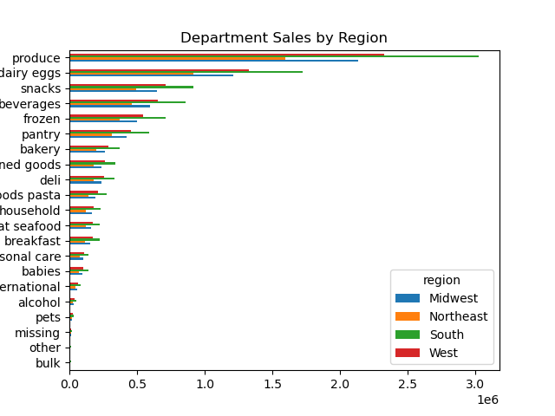
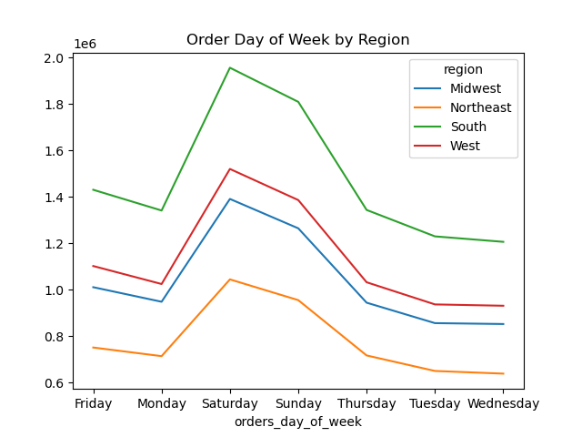

Question
Marketing and Sales Team: Is there a connection between age and family status and ordering habits?

Answer
Again, adults and middle-aged people is more loyal.
The familty status seems to be an important factor for loyalty as we can see in the chart. Most of the orders are made by married people.
Also having some dependants seem to be an important factor for the sales.

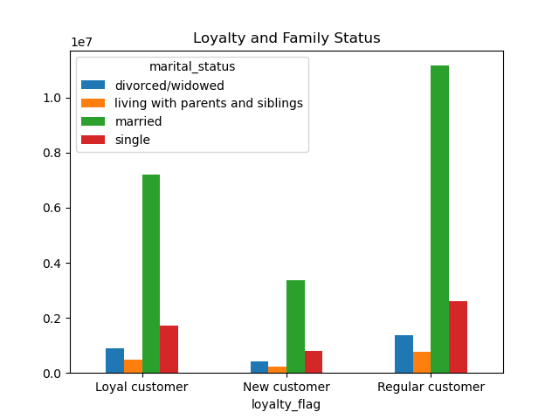
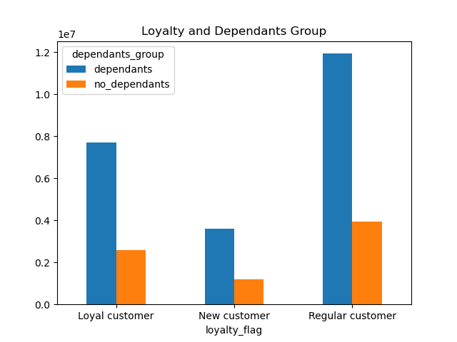

Question
Marketing and Sales Team: What different classifications does the demographic information suggest?
Age? Income? Certain types of goods? Family status??

Answer
Most customers are from the South region, have dependants have an age in between 25 and 64 years and are married.
The vast majority of customers have also a middle income.
In the visualization that where we contront the income based on age we can also clearly see an increse of the income with the progression of the age. The biggest rise happens around 40 years old.

7. Recommendations
 |  |  | Title page

Recommendations

Question | Answer | Recommendations
What are the busiest days of the week and hours of the day? | Saturday and Sunday are the busiest days of the week while Tuesday and Wednesday are the least busy. Most order happens between 9 and 18. With the maximum peak between 10 and 11. | To maximize sales during peak times, Instacart should introduce weekend-specific promotions and targeted advertising to encourage more purchases. Since Tuesday and Wednesday are the least busy days, offering midweek discounts or incentives can help drive orders. Additionally, optimizing logistics and staffing during peak hours, particularly between 10 and 11 AM, will improve efficiency and customer satisfaction.
Are there particular times of day when people spend the most money? | Sales are higher in the morning, but the variation is really small. Sales are higher in the weekends. | Sales are highest in the morning and on weekends, so Instacart should schedule its most effective promotions, such as limited-time offers or discounts, during these periods. Personalized push notifications reminding users of daily deals can also increase engagement. Encouraging larger purchases through morning-specific bundle deals or exclusive savings during peak hours can further boost revenue.
Are there certain products that are more popular than others? | The most ordered items are from Produce, dairy/eggs and snacks department. Followed by beverages and frozen department. We can see the same trend happening also considering the differences of income and number of dependents groups. | Since produce, dairy/eggs, and snacks are the most frequently purchased items, Instacart should ensure that these categories remain well-stocked and promoted. Offering personalized recommendations based on past purchases can increase retention. Implementing bulk purchase discounts or subscription models for these high-demand items may also encourage repeat purchases and larger basket sizes
Are there differences in ordering habits based on loyalty status? | There are not differences in loyalty based on gender. Adult and middle aged people are the more loyal (differences in categorizing the group could lead to small variations). Low spender are definetly more loyal compared to high spenders. Middle-income people is clearly the most loyal. The south region is the more loyal of the 4. | Low spenders show higher loyalty than high spenders, and middle-income customers are the most consistent shoppers. To strengthen retention, Instacart should introduce a tiered loyalty program where frequent but lower-value shoppers receive small incentives, while high-value customers gain access to premium rewards such as free delivery thresholds or early access to discounts. Strengthening customer engagement in the South, which has the highest loyalty levels, can further reinforce this behavior.
Are there differences in ordering habits based on region? | South and West regions uses the most Instacart with a clear advantage in the south. There are not clear differences in the ordering habit based by region: the department sales and days with most orders looks in line with the other data. It looks like that apart from the number of orders the regions behave in a similar way. | The South and West regions have the highest Instacart usage, while other regions behave similarly apart from order volume. Instacart should focus its marketing efforts in these high-engagement areas by offering localized promotions and testing region-specific advertising strategies. Additionally, analyzing regional product preferences and tailoring recommendations based on shopping trends could further optimize sales.
What is the distribution among users as to how often they return to Instacart? Is there a connection between age and family status and ordering habits? What different classifications does the demographic information suggest? Age? Income? Certain types of goods? Family status?? | Again, adults and middle-aged people is more loyal. The familty status seems to be an important factor for loyalty as we can see in the chart. Most of the orders are made by married people. Also having some dependants seem to be an important factor for the sales. | Adults and middle-aged users, particularly those with families, are the most loyal shoppers. Since family status plays a significant role in retention, Instacart should introduce family-focused promotions, such as discounts on essential household items or meal-planning bundles. Targeted campaigns that emphasize convenience, bulk savings, and recurring deliveries will appeal to this demographic. Younger users and single individuals, who tend to place smaller, more spontaneous orders, could be encouraged to shop more frequently through gamified incentives or exclusive deals.
What differences can you find in ordering habits of different customer profiles? Consider the price of orders, the frequency of orders, the products customers are ordering. | Instacart's key demographic consists of middle-income parents ranging from adulthood to middle age. These users tend to place larger and more frequent orders, as they are shopping for households with greater consumption needs. Their purchasing patterns often include staple groceries, household essentials, and bulk items, reflecting their need to efficiently manage family meals and home supplies. | Middle-income parents make up the largest customer base, placing frequent and high-volume orders. Instacart should enhance customer experience by offering tailored promotions, such as bulk purchase discounts and automated reordering for essential items. High-income users, who are more likely to buy premium or organic products, could be targeted with exclusive offers on specialty goods. Meanwhile, budget-conscious shoppers could benefit from a structured rewards program that provides savings on frequently purchased items, increasing their long-term retention.

